Entry Form
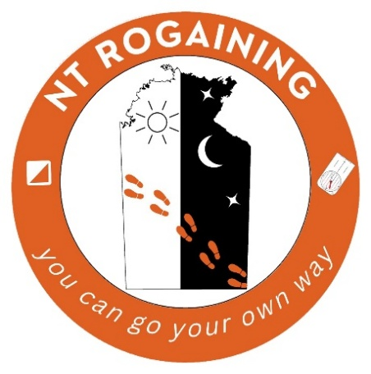
Please email completed EXCEL form to:
entries@nt.rogaine.asn.au
 |  | Northern Territory Rogaining Association
 |  | Burbs, Bush and Beach Urban Rogaine
 |  | 3 Hr and 5 Hr Foot
 |  | 3.5 Hr Bike |  |  |  |  |  |  |  |  |  |  | This team member has read the attached Indemnity (see tab below) and acknowledges that the sport of rogaining involves considerable risk and agrees that by entering this event they do so at their own risk.
 |  | Saturday 21st February 2026
 |  | Please complete all of the BLUE sections. |  |  |  |  |  | EARLY BIRD ENTRY? Must be in by 11pm on 15/02/2026: |  |  |  | Yes
 |  | Save the file in EXCEL format and email it to: |  |  |  |  |  | Event Type (SELECT from drop-down menu): | 5 Hr Foot
 |  | entries@nt.rogaine.asn.au |  |  |  |  |  | Gender Category:
 |  |  |  |  |  |  |  | Event Category(s):
 | First Name | Last Name |  | Home Address |  |  | Phone | Email | MY AGE on 31st Dec 2025 | Gender | N/A | Entry Fee
 |  |  |  |  |  |  |  |  |  |  | No |  | No
 |  |  |  |  |  |  |  |  |  |  | No |  | No
 |  |  |  |  |  |  |  |  |  |  | No |  | No
 |  |  |  |  |  |  |  |  |  |  | No |  | No
 |  |  |  |  |  |  |  |  |  |  | No |  | No
 |  |  |  |  |  |  |  |  |  | Total Entry Fee Due: |  | $- | Entry form cannot be accepted until all team members have confirmed "Yes".
 | Entry Fees - Early Bird applies until 11pm on 15/02/2026
 | Adult 18 - 64 yrs | Adult 65+ yrs | Child |  |  |  |  | Is this a Family entry? (see notes for conditions): |  |  |  | No
 |  |  | Under 8 yrs | 8 - 11 yrs | 12 - 17 yrs
 | $45.00 | $35.00 | Free | $10.00 | $20.00
 | $45.00 | $35.00 | Free | $10.00 | $20.00 | Early Bird
 | $55.00 | $45.00 | Free | $10.00 | $20.00 | Standard
 |  |  |  |  |  |  |  | Please select your intended payment method: |  |  |  | EFT

 | Notes: |  |  |  |  |  |  |  | Payment Information
¨ | Teams must comprise at least 2 people and not more than 5. |  |  |  |  |  |  |  | Payments to: NT Rogaining Association
¨ | Children aged 13 and under must be accompanied by an Adult (aged 18 or older). |  |  |  |  |  |  |  | BSB: 065 901
¨ | Home address is required for insurance registration. |  |  |  |  |  |  |  | Account No: 1055 9967
¨ | If your team has at least two members of the same family who represent no less |  |  |  |  |  |  |  | For EFT payments, please include surname of one team member and “BBB in description field, e.g. Smith BBB
 | than two generations and one is a child (under 18), you may enter in the Family
 | category. Other non-related people may also be in the team.
¨ | Event fees cover course setting, vetting, maps, food, insurance, safety equipment and admin costs.
¨ | Refund policy: no refund if cancellation occurs within 48 hrs of event. |  |  |  |  |  |  | Early Bird Entries Close: | 11pm on 15/02/2026
 |  |  |  |  |  |  |  | All Entries Close: | 11pm on 19/02/2026

For more information, please visit our website www.nt.rogaine.asn.au

 | Counts for official use only |  |  |  |  | Rule |  | Display | Count
 | Male | 0 |  |  |  | All Juniors |  | Junior, Open | 0
 | Female | 0 |  |  |  | Selected to participate as a family |  | Family, | 0
 | Junior | 0 |  |  |  | Open - all teams |  | Open | 1
 | Open | 0 |  |  |  | Vet - at least one between 40 and 55, all over 40 |  | Open, Veterans | 0
 | Vet | 0 |  |  |  | S Vet - At least one between 55 and 64. All over 55 |  | Open, Veterans, Super Veterans | 0
 | S Vet | 0 |  |  |  | U Vet - all over 64 |  | Open, Vets, Super Vets, Ultra Vets | 0
 | U Vet | 0
 | Sum | 0

INDEMNITY
